10000 BREAKDOWN
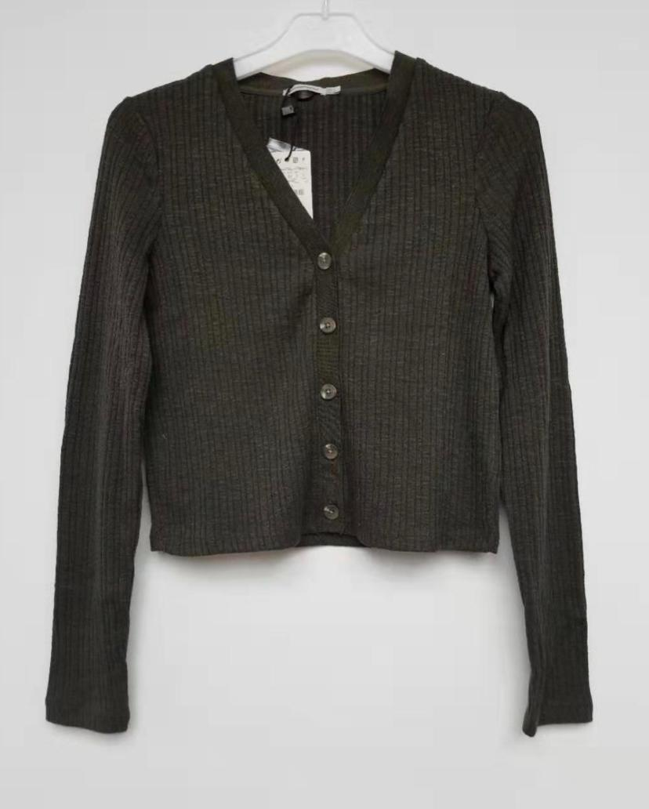
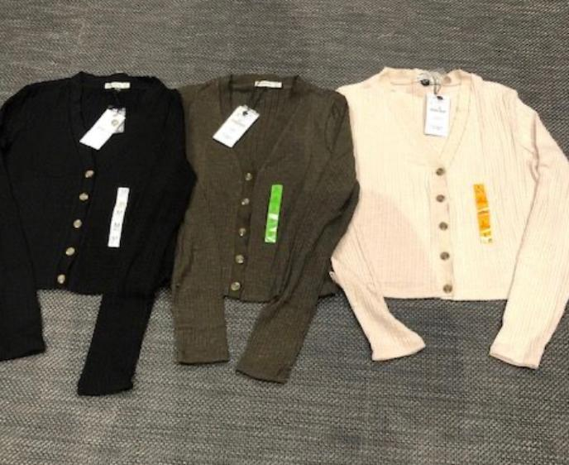
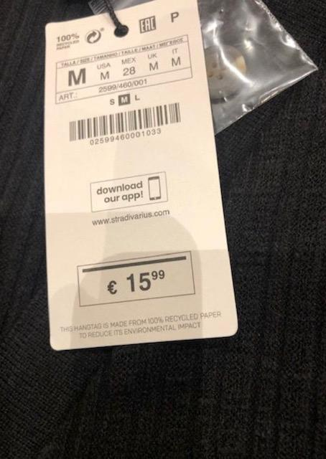
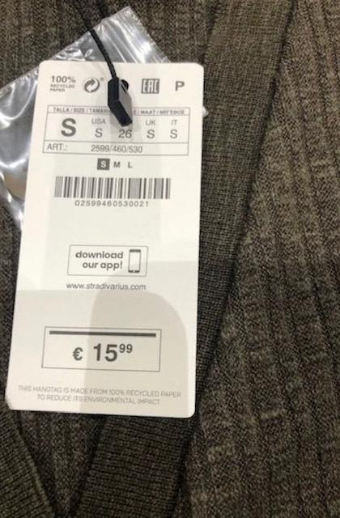
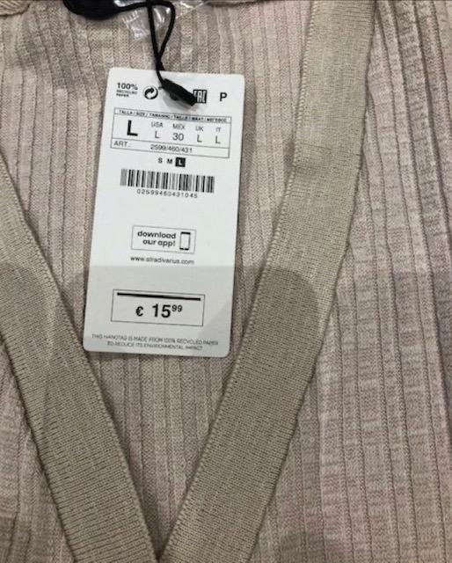
 | SMALL | MEDIUM | LARGE | TOTAL
BLACK | 1560 | 1520 | 1000 | 4080

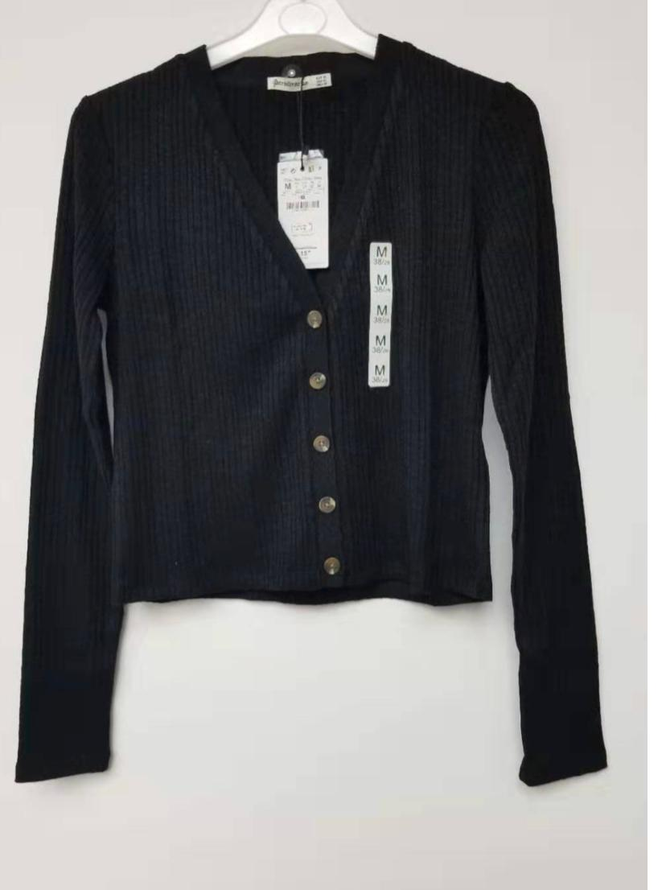

 | SMALL | MEDIUM | LARGE | TOTAL
BEIGE | 1160 | 1100 | 700 | 2960

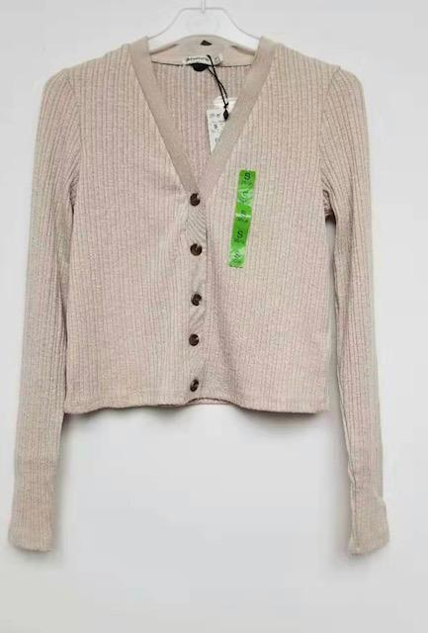

 | SMALL | MEDIUM | LARGE | TOTAL
BROWN | 1100 | 1100 | 700 | 2900

